Feuille 1
This chart is dedicated to the sprint planning

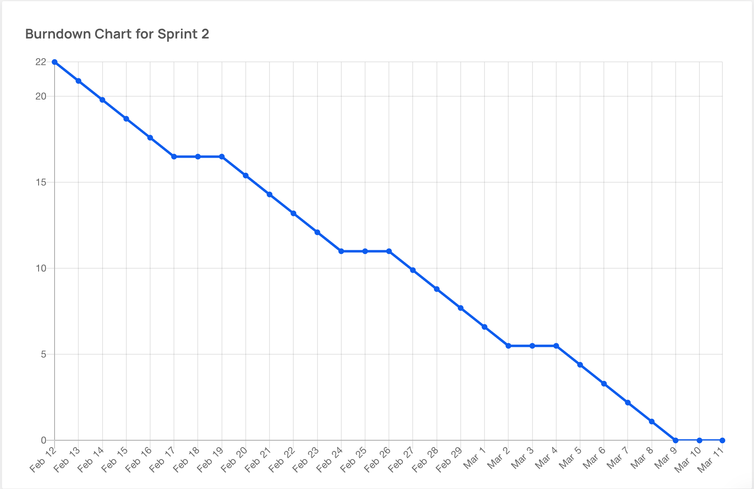
Sprint 2
Issue # | User Story Title/Task Title | Description/Associated Tasks | Difficulty Level (0,1,2,3,5,8) | Priority | Risk | Assign | Sprint
#2 | As a system administrator, I want to create a new user | - Create UI for viewing and managing clients #44 - BackEnd Functionality to create new users #52 | 3- This is an imperative part of the functional requirement we need to ensure functionality and consistency | High | Low Risk- this is a low risk High value functional requirement |  | Sprint 2
#11 | As a system administrator, I want to create a new vehicle posting so that I can provide other users vehicles to rent | -Design functional MongoDB database schema for Vehicle information #58 - Create UI for viewing and modelling process #35 -Implement a validation logic for vehicle details #41 - Test the creation functionality to ensure proper creation #59 | 3- This is also imperative since it is necessary for the product we are renting on our platform, and alot of details are involved for a vehicle | High | Low Risk- This is a low risk High value functional requirement | Uyi Oronsaye, | Sprint 2
#28 | As a system administrator, I want to be able to create new reservations in the system for customers | -Design and implement frontend reservation creation form #29 -Implement validation logic for form fields -Develop backend API endpoint for creating reservations -Update frontend to display confirmation message upon successful reservation creation | 3- This is imperative since it is necessary feature for our users. ease of use. | High | Low Risk- This is a low risk High value functional requirement |  | Sprint 2
#18 | As a client, I want to be able to access the vehicle catalog from homepage | -Create a "Catalog" link on the navigation bar #18 | 1- Provides good UX, and increases ease of access. | Low | Low Risk- This is a low risk High value functional requirement |  | Sprint 2
#39 | As a client, I want to view the vehicle catalog | -Design UI for catalog | 3- | High | Low Risk- This is a low risk, Low value Not explicitly mentioned in our FRs |  | Sprint 2
#80 | As a client, I want to be able to select a vehicle on the catalog | -Redirect user to a new page when vehicle is selected #81 -Design UI for Vehicle pages #82 | 3 | High | Low Risk- Low Risk, low value |  | Sprint 2
#23 | Create a reservation form for the user | -Create UI for user reservation form -Handle user input validation and form submission | 2 |  | High Risk |  | Sprint 2
#12 | As a customer, I want to be able to view my reservation so that I can review it's details | - Design UI for a "My Reservations page" page #84 - Fetch data from database to display in UI #85 - Test functionality of search up | 2 | Medium | High RIsk |  | Sprint 2
#78 | As a system administrator, I want to delete users, so that I can remove them from the system | -Design Ui for removing/modifying a user #103 -Backend functionality to delete a user #79 | 2 | Medium | High RIsk |  | Sprint 2
#77 | As a system administrator, I want to Update information in the system so that I edit user accounts details | -Design UI for removing / modifying a user #103 - Backend functionality to update users #83 | 3 | High | Low Risk- this is a low risk High value functional requirement |  | Sprint 2
#69 | As a customer, I want to delete my reservation so that I can cancel my plans | -Design UI for Delete Reservation Confirmation Popup #89 -Delete reservation from database #90 | 3 | High | Low Risk- this is a low risk High value functional requirement |  | Sprint 2
#57 | As a system Administrator, I shall be able to delete a specific vehicle from our system so that unavailable postings are not displayed | -Create UI search features to find vehicles via Unique ID #60 -Create a UI for viewing, and modelling process #35 - BackEnd functionality to delete a specific vehicle #66 -Implement verification process to give SA cancel a deletion #67 | 3 | High | Low Risk- this is a low risk High value functional requirement | Uyi Oronsaye | Sprint 2
#56 | As a system Administrator, I shall be able to update details on a specific vehicle so that the details on vehicles are accurate | -BackEnd Functionality to update vehicle details #63 -Create a UI for viewing, and modelling process #35 -Implement validation logic for updated vehicle details #64 | 3 | High | Low Risk- this is a low risk High value functional requirement | Uyi Oronsaye | Sprint 2
#55 | As a system Administrator, I shall have view privileges on details on a specific vehicle so that i can verify our postings | -Create UI search features to find vehicles via Unique ID #60 -Backend functionality to retrieve vehicle data associated with the unique ID #61 - Create a UI for viewing, and modelling process #35 | 3 | High | Low Risk- this is a low risk High value functional requirement | Uyi Oronsaye | Sprint 2
#53 | As a customer, I want to modify my reservation so that I can change it's details | -Design UI for editable mode #87 -Update data in database upon modifications #88 | 3 | High | Low Risk- this is a low risk High value functional requirement |  | Sprint 2
#51 | As a system administrator, I want to READ user's information in the system so that I can verify user accounts | -Design UI for viewing users #44 -Backend functionality to read the details of users #54 | 3 | High | Low Risk- this is a low risk High value functional requirement |  | Sprint 2
#32 | As a system administrator, I want to be able to cancel existing reservations in the system. | -Implement frontend option to cancel reservations. - Develop backend API endpoint for canceling reservations. -Update reservation status in the backend upon cancellation. -Ensure canceled reservations are excluded from active reservations list. | 3 | High | Low Risk- this is a low risk High value functional requirement |  | Sprint 2
#31 | As a system administrator, I want to be able to modify existing reservations in the system. | -Implement frontend option to edit reservations. -Develop backend API endpoint for updating reservations. -Design and implement reservation modification form. -Handle form submission and update reservation data in the backend. | 3 | High | Low Risk- this is a low risk High value functional requirement |  | Sprint 2
#30 | As a system administrator, I want to be able to view all existing reservations in the system. | -Design and implement frontend reservations list page. -Develop backend API endpoint for fetching reservations. -Implement filtering and search functionality in frontend. -Add scrolling feature to handle large lists of reservations. | 3 | High | Low Risk- this is a low risk High value functional requirement |  | Sprint 2 | Hanine Tydrini | Ikram Kamal | Benjamin Ho | Samuel Henderson
#27 | Provide the user with a reservation summary and confirmation | -Set up the UI to display a reservation confirmation for the user after he has selected all options and details. #97 -Give the user options once he has selected confirm my booking #98 | 2 | Medium | Low Risk- this is a low risk High value functional requirement |  | Sprint 2
#26 | Allow user the option to add extra equipment | -Set up UI Set up UI to allow user to add extra equipment to his reservation for an extra cost #95 -Set up the logic to calculate and display the extra cost whenever a user selects extra equipment to add to the reservation. #96 | 2 | High | Low Risk- this is a low risk High value functional requirement |  | Sprint 2
#24 | Fetch available vehicles that correspond to the criteria given by the user | -Fetch corresponding vehicles from database #93 - Display corresponding vehicles from database #94 | 2 | High | Low Risk- this is a low risk High value functional requirement |  | Sprint 2
#23 | Create a reservation form for the user | -Create UI for user reservation form #91 -Handle user input validation and form submission #92 | 2 | High | Low Risk- this is a low risk High value functional requirement |  | Sprint 2
#20 | Allow user the option to add extra equipment | -Create "Sort" button on Catalog page to sort vehicles based on different criteria #76 | 2 | High | Low Risk- this is a low risk High value functional requirement | Yasmine Mouatif | Sprint 2
#18 | As a client, I want to be able to access the vehicle catalog from homepage | -Create a "Catalog" link on the navigation bar #73 | 2 | High | Low Risk- this is a low risk High value functional requirement |  | Sprint 2

